SOP - PG # Financials
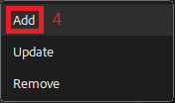
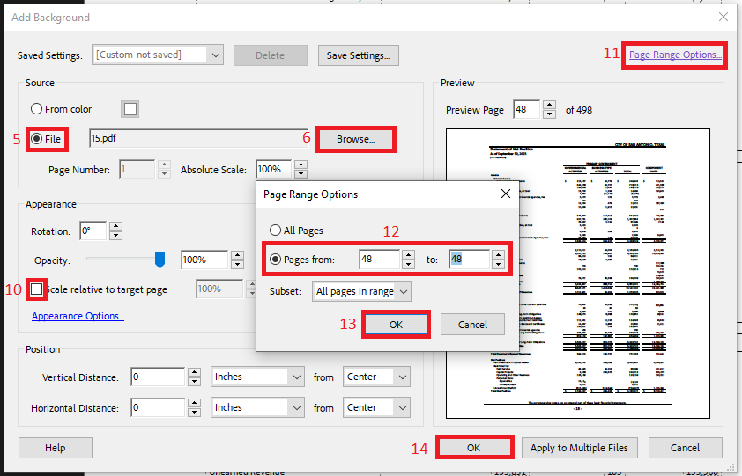
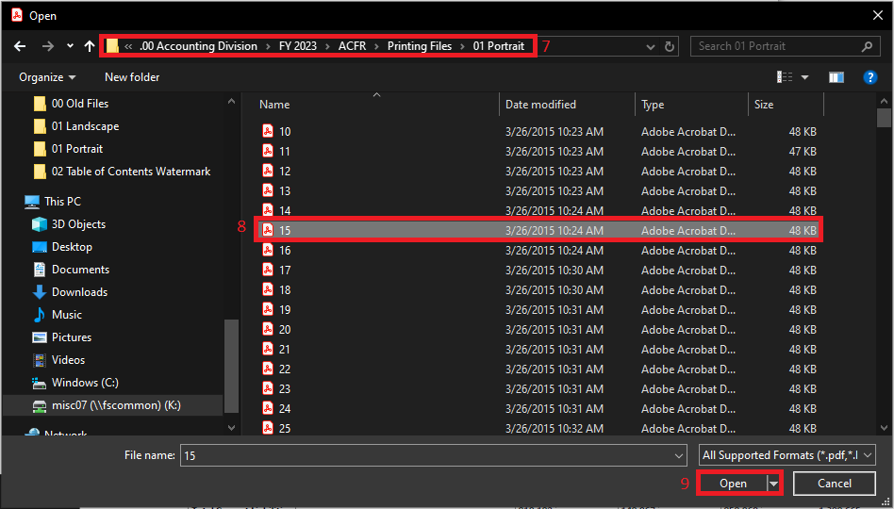
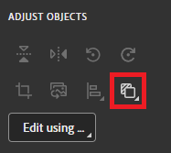
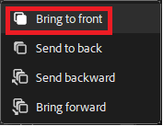
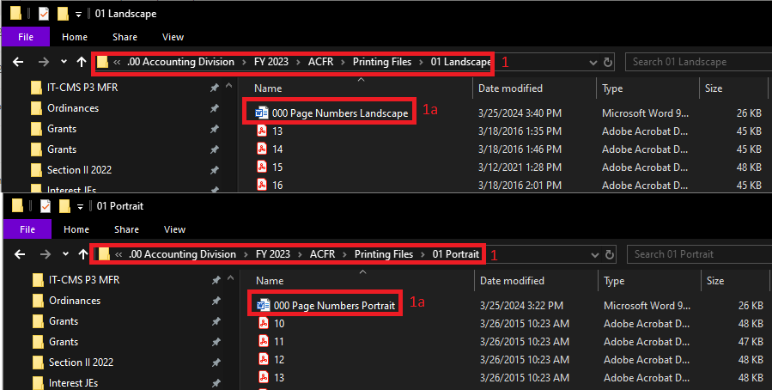
Steps | Instructions to Page Number for Financials
1 | Create the Printing Files for landscape or portrait based on the PG #s tab (column B).
 | a | Use the Word document to edit the page number.
 | b | Print the file as a PDF and save in either the 01 Portrait or 01 Landscape folder with the page number.
 | c | Repeat 1a and 1b as needed.
2 | Open the ACFR PDF file and click on Edit.
3 | Click on Background.
4 | Click on Add.
5 | Select File.
6 | Click on Browse.
7 | Navigate to the directory where the Printing Files are located for 01 Landscape or Portrait.
8 | Select the page number needed based on column B from the PG #s tab.
9 | Click on Open.
10 | Uncheck Scale relative to target page.
11 | Click on Page Range Options.
12 | Select Pages from and update for portrait or landscape page (reference PDF PG #s (column A) from PG #s tab).
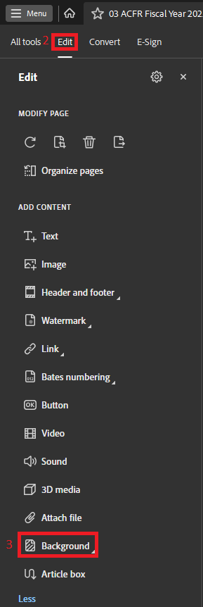
13 | Click OK on the Page Range Options window.
14 | Click OK on the Add Background window.
15 | Select the line.
 | a | Use the arrow keys on the keyboard to move it up or down as needed. For portrait, usually 2 down. For landscape, usually X down. The page number for landscape will have to be moved down as well.
 | b | To select the horizontal line, drag a rectangle across the whole thing and it'll select it. Landscape page: arrow down 45 times. Landscape line: arrow down 40 times.
 | c | Cursor over the left dot until you see the horizontal cursor (arrows left and right) and click to align with the top line. A green vertical line should appear to help guide.
 | d | Repeat step 15c for the right dot of the line.
16 | Repeat steps 3 - 15 until all remaining pages have a page number (refer to light blue cells in column B from the PG #s tab). Be careful to choose portrait or landscape based on column A from the PG #s tab.
 | a | Click on Replace Background.
 | b | Parameters for landscape are the same as portrait.

SOP - Watermark
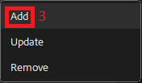
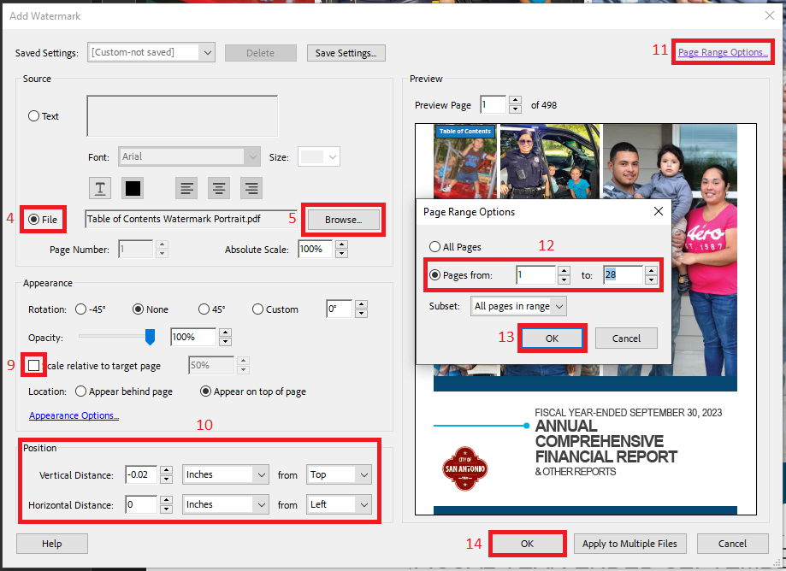
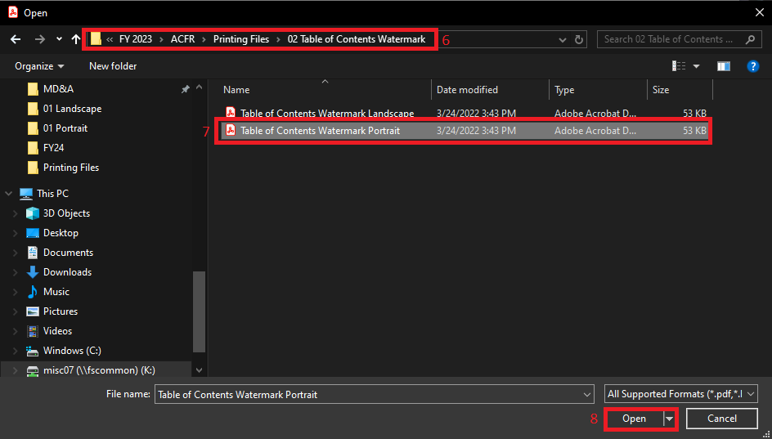
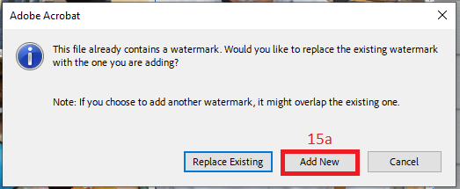
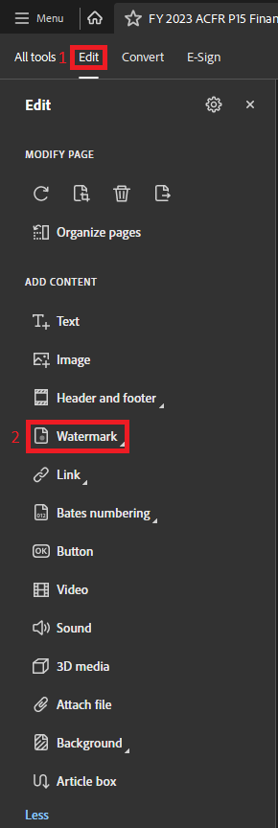
Steps | Instructions to Add Table of Contents Watermark
1 | Open the ACFR PDF file and click on Edit.
2 | Click on Watermark.
3 | Click on Add.
4 | Select File.
5 | Click on Browse.
6 | Navigate to the directory where the Printing Files are located for the 02 Table of Contents Watermark.
7 | Select Portrait or Landscape.
8 | Click on Open.
9 | Uncheck Scale relative to target page.
10 | Update the Position to parameters in snippet.
11 | Click on Page Range Options.
12 | Select Pages from and update for portrait or landscape pages (reference PDF PG #s (column A) from PG #s tab).
13 | Click OK on the Page Range Options window.
14 | Click OK on the Add Watermark window.
15 | Repeat steps 2 - 14 until the rest of the ACFR has a Table of Contents Watermark. Be careful to only choose portrait or landscape based on the PG #s tab.
 | a | Click on Add New.
 | b | Parameters for landscape are the same as portrait.
 | c | The COSA emblem may need to be manually moved on the City Org Chart once the Table of Contents Watermark is placed.
 |  | i | Use the arrow keys on the keyboard to move it up or down as needed. Usually 4 down.

SOP - Link
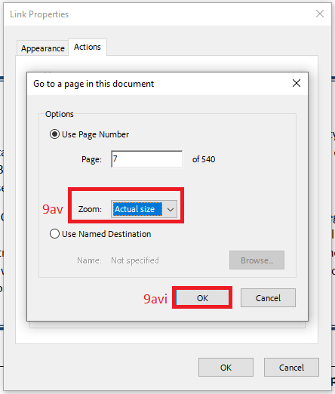
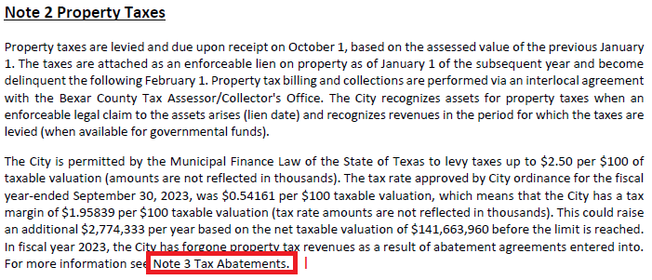
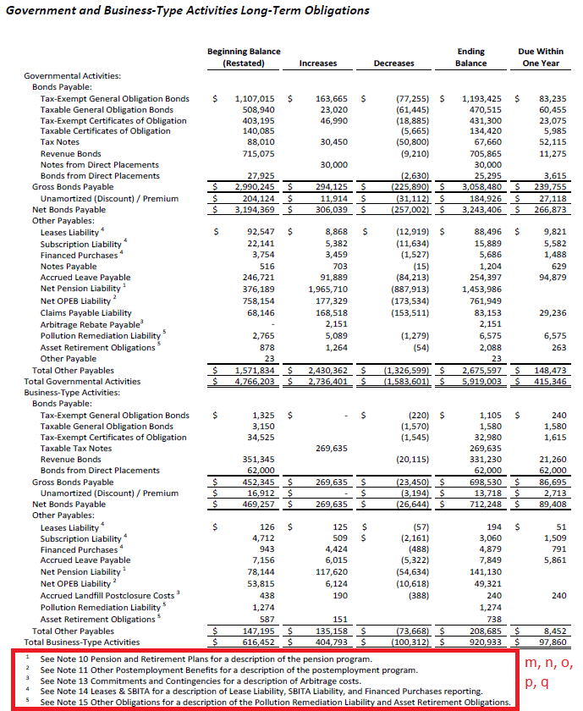
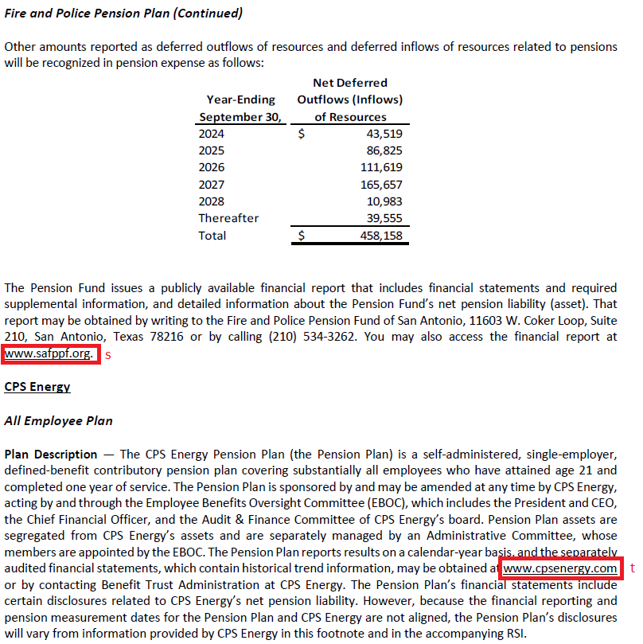
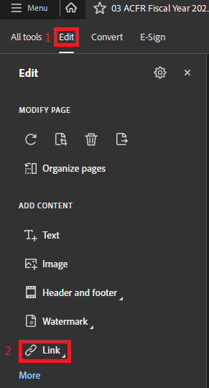
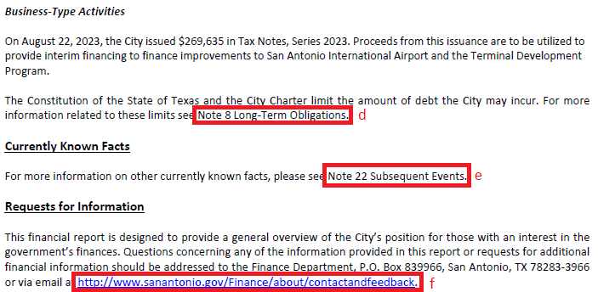
Steps | Instructions to Link
1 | Open the ACFR PDF file and click on Edit.
2 | Click on Link.
3 | Click on Add or edit a link.
4 | Cursor over to the Table of Contents Watermark and drag a rectangle over it. A pop window will appear.
5 | Update the Link Appearance to parameters in snippet.
6 | Select Go to a page view in Link Action.
7 | Click Next on the Create Link window.
8 | Navigate to the page it will be linked to and click on Set Link in the Create Go to View window.
9 | Repeat steps 2 - 8 for all needed links. NOTE: Complete 9aii - 9avii for ALL links. You wil right click on the link and click on Properties.
 | a | All Table of Contents Watermark.
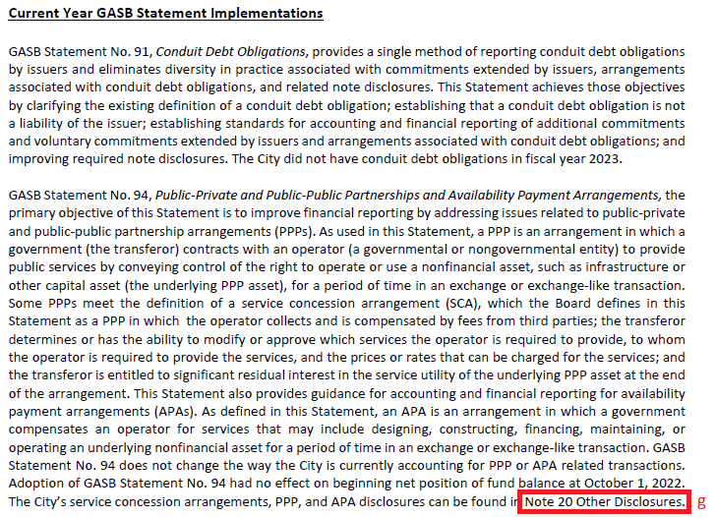
 |  | i | Add the link to the first page (disclaimer page). Then, right click and click on Edit Link.
 |  | ii | Click on the Actions tab.
 |  | iii | Select Go to a page in this document.
 |  | iv | Click on Edit.
 |  | v | Select Actual size in Zoom drop down.
 |  | vi | Click OK on the Go to a page in this document window.
 |  | vii | Click OK on the Link Properties window.
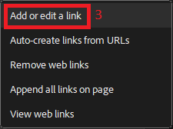
 |  | viii | There will be a blue box on the Table of Contents watermark. Ctrl + c to copy.
 |  | ix | Navigate to the next portrait page and ctrl + v to paste. Repeat until all portrait pages are linked to the table of contents.
 |  | x | Repeat steps 9ai-9aix for landscape pages.
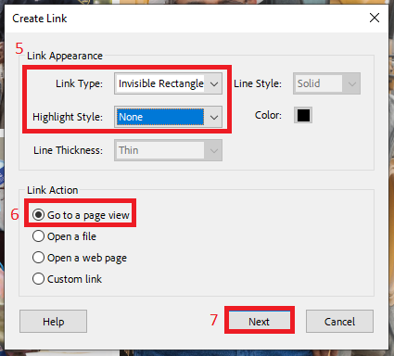
 |  | xi | If the link box is not perfect on the Table of Contents Watermark, use the arrow buttons on the keyboard to align it before moving onto the next page.
 | b | Table of Contents
 | c | Note Table of Contents
 | d | MD&A: Note 8 (last page)
 | e | MD&A: Note 22 (last page)
 | f | MD&A: Link to COSA website (last page); For this, select Open a web page in the Create Link window under Link Action parameter.
 | g | Note 1: Note 14 (Current Year GASB Statement Implementations); there may be additional notes referenced under this section.
 | h | Note 1: Note 4 (Cash and Cash Equivalents and Investments)
 | i | Note 1: Note 10 (Pensions and Postemployment Benefits (OPEB))
 | j | Note 1: Note 11 (Pensions and Postemployment Benefits (OPEB))

 | k | Note 1: Note 18 (Fund Balances)
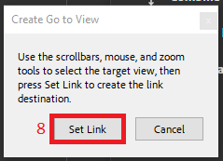
 | l | Note 2: Note 3
 | m | Note 8: Note 10 (Long-term obligations and amounts due within one year Table)
 | n | Note 8: Note 11 (Long-term obligations and amounts due within one year Table)
 | o | Note 8: Note 13 (Long-term obligations and amounts due within one year Table)
 | p | Note 8: Note 14 (Long-term obligations and amounts due within one year Table)
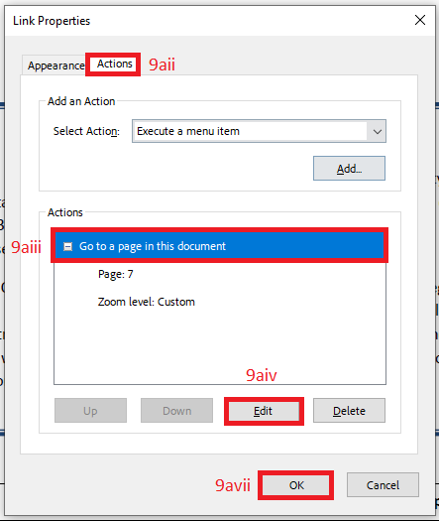
 | q | Note 8: Note 15 (Long-term obligations and amounts due within one year Table)
 | r | Note 10: Link to TMRS website (Pension Plan Fiduciary Net Position); For this, select Open a web page in the Create Link window under Link Action parameter.
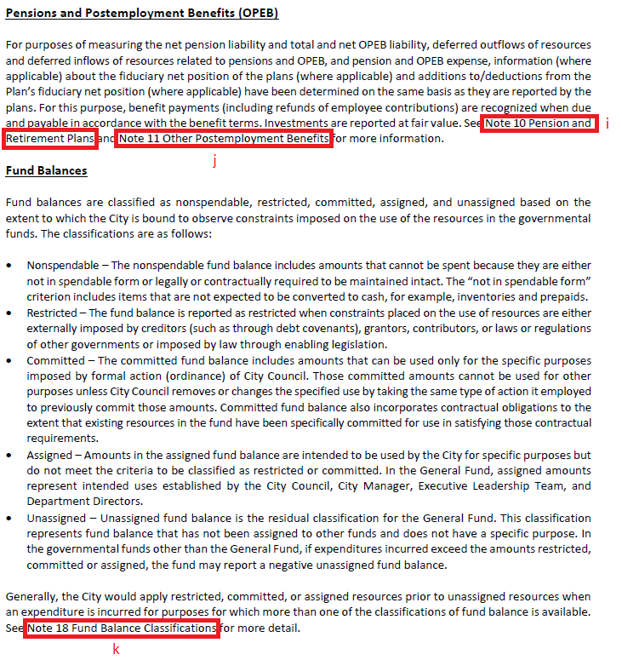
 | s | Note 10: Link to SAFPPF website (Fire and Police Pension Plan); For this, select Open a web page in the Create Link window under Link Action parameter.
 | t | Note 10: Link to CPS Energy website (CPS Energy); For this, select Open a web page in the Create Link window under Link Action parameter.
 | u | Search for other hyperlinks using 'www' or 'Note' and link.

SOP - Bookmark
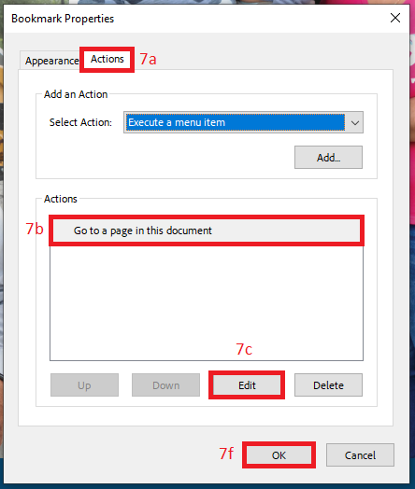
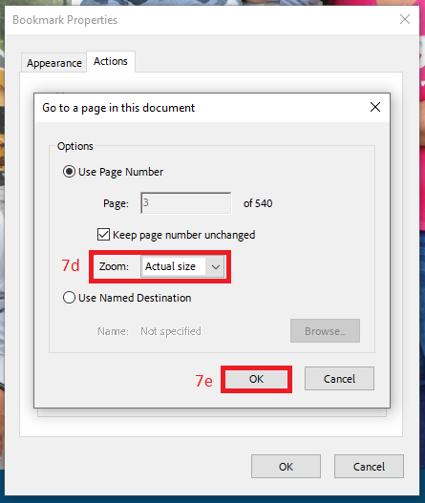
Steps | Instructions to Bookmark
1 | Open the ACFR PDF file and click on the bookmark icon.
2 | Right click on each bookmark and click on Rename. Rename using SOP - Bookmark Listing tab.
3 | Click and drag bookmarks for collapsible sections using SOP - Bookmark Listing tab.
4 | Navigate to the missing page and click on the Add Bookmark icon.
 | a | Rename using SOP - Bookmark Listing tab.
 | b | If necessary, do step 3.
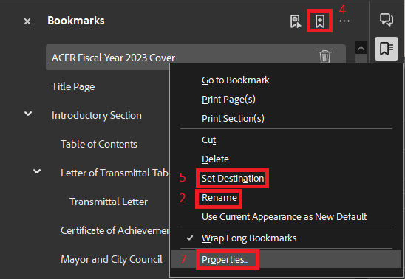
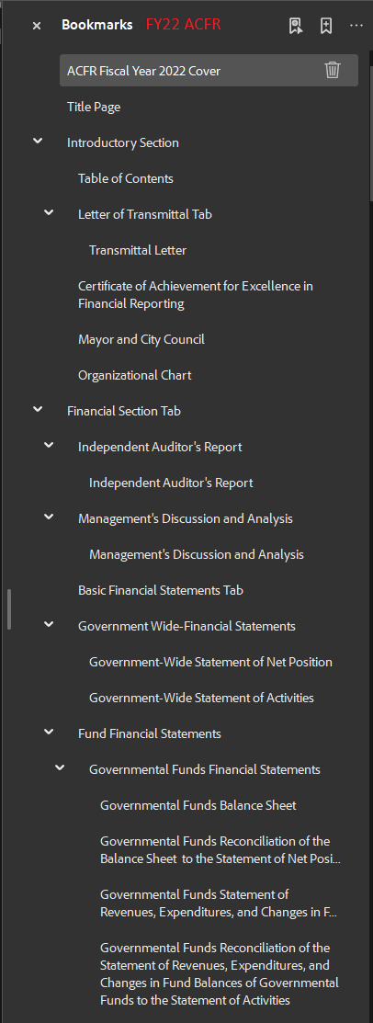
5 | To update the bookmark, navigate to the page, right click on the bookmark and click on Set Destination.
6 | Repeat steps 2 - 5 as needed.
7 | Select all bookmarks, right click, and click on Properties.
 | a | Click on the Actions tab.
 | b | Select Go to a page in this document.
 | c | Click on Edit.
 | d | Select Actual size in Zoom drop down.
 | e | Click OK on the Go to a page in this document window.
 | f | Click OK on the Bookmark Properties window.

