Overview
Risk-Based Budget Dashboard Overview
Select City
Enter Deterministic 2016 Forecast
Simulated 2016 Forecast appears here.
For Risk-Based change formual to "=J2". For Deterministic, to "=J3".
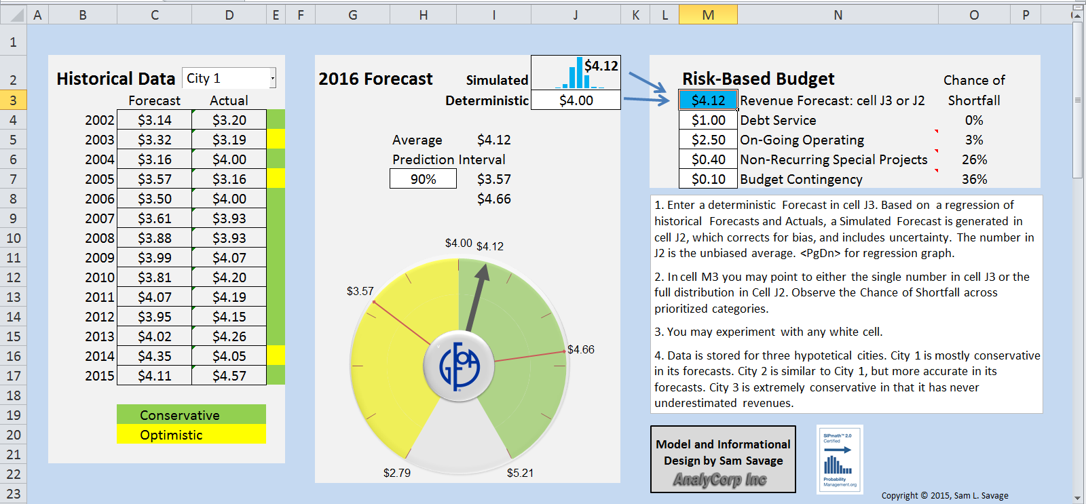
Historical Forecasts vs. Actual

Deterministic Forecast
Colors indicate Conservative vs Optimistic
Simulated Average
Fill in Prioritized Budget here

Instructions

<PgDn> for Regression Graph

Dashboard
Highest Priority
 |  |  |  |  |  |  |  |  |  |  |  |  |  |  | 14
Historical Data |  |  | 2016 Forecast |  | Simulated | $4.12 |  | Deterministic Budget
 | Forecast | Actual |  |  | Deterministic | $4.00 |  | $4.00 | Revenue Forecast: cell J3 or J2 | Shortfall |  |  | Remaining |  | City 1 Data |  | City 2 Data |  | City 3 Data
2002 | $3.14 | $3.20 |  |  |  |  |  | $1.00 | Debt Service | No | 0 | No | 3 | 0 | $3.14 | $3.20 | $3.14 | $3.20 | $3.14 | $3.20
2003 | $3.32 | $3.19 |  | Average | $4.12 |  |  | $2.50 | On-Going Operating* | No | 0 | No | 0.5 | 0 | $3.32 | $3.19 | $3.32 | $3.30 | $3.32 | $3.35
Lowest Priority
2004 | $3.16 | $4.00 |  |  |  |  |  | $0.40 | Non-Recurring Special Projects* | No | 0 | No | 0.1 | 0 | $3.16 | $4.00 | $3.16 | $3.50 | $3.16 | $3.50
2005 | $3.57 | $3.16 | Prediction Interval | 90% | $3.57 |  |  | $0.10 | Budget Contingency* | No | 0 | No | 0 | 0 | $3.57 | $3.16 | $3.57 | $3.50 | $3.57 | $3.60
 | duplicate |  | NPV |  | Blank |  | Needle |  | Label Locations |  | Tick Marks |  | Needle Labels |  | 5% |  | 95% |  | $4.00
 | 15 |  | 15 |  |  | 0 | 0 | -0.43 | -0.74478184725 | -0.37 | -0.6408587988 | -0.68484535681 | 0.52017962019 | 0 | 0 | 0 | 0 | -3.2923533691E-16 | 0.86
 | 15 |  | 15 |  |  | 0.18755834376 | 0.71583648111 | -0.74478184725 | -0.43 | -0.333 | -0.57677291892 | 0.21797321031 | 0.83191807264 | -0.58928553958 | 0.44759641737 | 0.73305772664 | 0.10112551314
 | 6 |  | 6 |  |  |  |  | -0.86 | -3.1608830137E-16 |  |  | 0.85193195259 | 0.11752424501
 |  |  |  |  |  |  |  | -0.74478184725 | 0.43 | -0.6408587988 | -0.37
 |  |  |  |  |  |  |  | -0.43 | 0.74478184725 | -0.57677291892 | -0.333
 |  |  |  |  |  |  |  | -1.8964365668E-15 | 0.86
 |  |  |  |  |  |  |  | 0.43 | 0.74478184725 | -0.74 | -2.7198295699E-16
 |  |  |  |  |  |  |  | 0.74478184725 | 0.43 | -0.666 | -2.4478466129E-16
 |  |  |  |  |  |  |  | 0.86 | 1.9491179504E-15
 |  |  |  |  |  |  |  | 0.74478184725 | -0.43 | -0.6408587988 | 0.37
 |  |  |  |  |  |  |  | 0.43 | -0.74478184725 | -0.57677291892 | 0.333
 |  |  |  |  |  |  |  |  |  | -0.37 | 0.6408587988
 |  |  |  |  |  |  |  |  |  | -0.333 | 0.57677291892
 |  |  |  |  |  |  |  |  |  | -1.631817511E-15 | 0.74
 |  |  |  |  |  |  |  |  |  | -1.4686357599E-15 | 0.666
 |  |  |  |  |  |  |  |  |  | 0.37 | 0.6408587988
 |  |  |  |  |  |  |  |  |  | 0.333 | 0.57677291892
 |  |  |  |  |  |  |  |  |  | 0.6408587988 | 0.37
 |  |  |  |  |  |  |  |  |  | 0.57677291892 | 0.333
 |  |  |  |  |  |  |  |  |  | 0.74 | 1.6771480038E-15
 |  |  |  |  |  |  |  |  |  | 0.666 | 1.5094332034E-15
 |  |  |  |  |  |  |  |  |  | 0.6408587988 | -0.37
 |  |  |  |  |  |  |  |  |  | 0.57677291892 | -0.333
 |  |  |  |  |  |  |  |  |  | 0.37 | -0.6408587988
 |  |  |  |  |  |  |  |  |  | 0.333 | -0.57677291892
2006 | $3.50 | $4.00 |  |  | $4.66 |  | Total Expenditures | $4.00 | *See cell comment for explanation |  |  |  |  |  | $3.50 | $4.00 | $3.50 | $4.00 | $3.50 | $4.00
1. Enter a deterministic Forecast in cell J3. Based on a regression of historical Forecasts and Actuals, a Simulated Forecast is generated in cell J2, which corrects for bias, and includes uncertainty. The number in J2 is the unbiased average. <PgDn> for regression graph.
2. In cell M3 change the formula to "=J3" for the Deterministic Forecast or to "=J2" for the Simulated Forecast. Observe the Chance of Shortfall across prioritized categories.
3. You may experiment with any white cell.
4. Data is stored for three hypotetical cities. City 1 is mostly conservative in its forecasts. City 2 is similar to City 1, but more accurate in its forecasts. City 3 is extremely conservative in that it has never underestimated revenues.
2007 | $3.61 | $3.93 |  |  |  |  |  |  |  |  |  |  |  |  | $3.61 | $3.93 | $3.61 | $3.93 | $3.61 | $3.93
2008 | $3.88 | $3.93 |  |  |  |  |  |  |  |  |  |  |  |  | $3.88 | $3.93 | $3.88 | $3.93 | $3.88 | $3.93

v
2009 | $3.99 | $4.07 |  |  |  |  |  |  |  |  |  |  | 5.0% |  | $3.99 | $4.07 | $3.99 | $4.07 | $3.99 | $4.07
2010 | $3.81 | $4.20 |  |  |  |  |  |  |  |  |  |  | 95.0% |  | $3.81 | $4.20 | $3.81 | $3.90 | $3.81 | $3.90
2011 | $4.07 | $4.19 |  |  |  |  |  |  |  |  |  |  |  |  | $4.07 | $4.19 | $4.07 | $4.19 | $4.07 | $4.19
2012 | $3.95 | $4.15 |  |  |  |  |  |  |  |  |  |  |  |  | $3.95 | $4.15 | $3.95 | $4.15 | $3.95 | $4.15
2013 | $4.02 | $4.26 |  |  |  |  |  |  |  |  |  |  |  |  | $4.02 | $4.26 | $4.02 | $4.26 | $4.02 | $4.26
2014 | $4.35 | $4.05 |  |  |  |  |  |  |  |  |  |  |  |  | $4.35 | $4.05 | $4.35 | $4.05 | $4.20 | $4.30
2015 | $4.11 | $4.57 |  |  |  |  |  |  |  |  |  |  |  |  | $4.11 | $4.57 | $4.11 | $4.30 | $4.11 | $4.30

Model and Informational Design by Sam Savage
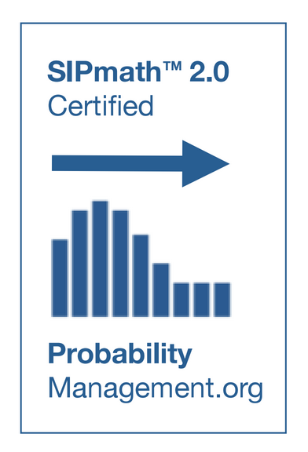
 | Conservative
 | Optimistic |  |  |  |  |  |  |  |  |  |  |  |  |  | 1 | City 1 | City 1
 |  |  |  |  |  |  |  |  | <PgDn> for |  |  |  |  |  |  | City 2
 |  |  |  |  |  |  |  |  | Regression Graph |  |  |  |  |  |  | City 3
 |  |  |  |  |  |  |  |  |  | Copyright © 2015, Sam L. Savage
 | Historical |  | Forecast (X=J3,Y=J2) |  | Perfect
3.14 | 3.2 | 4 | $4.12 | 3.14 | 3.14
3.32 | 3.19 |  |  | 4.57 | 4.57
3.16 | 4
3.57 | 3.16
3.5 | 4
3.61 | 3.93
3.88 | 3.93
3.99 | 4.07
3.81 | 4.2
4.07 | 4.19
3.95 | 4.15
4.02 | 4.26
4.35 | 4.05
4.11 | 4.57

